Risk Assessment Definitions
Laboratory Risk Assessment Tool
LABORATORY PROCESS RISK CRITERIA |  | CONTROLS DEFINED
Hazard | Severity of Hazard | Engineering Controls (-1.5) | Administrative controls (-1.0) | PPE (-0.5)
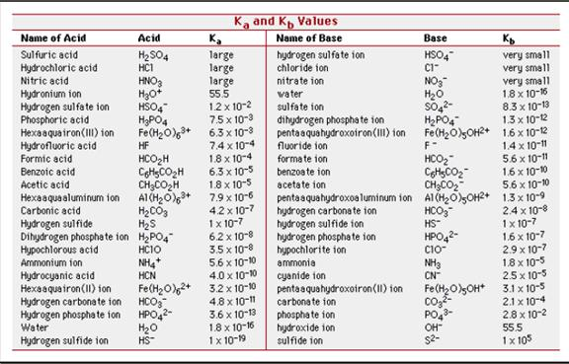
Corrosivity Table
Flammability | 3 - <0 .5L (Class II/III) FP >73F and BP>100F 5 - 0.5L - 1 L Class I B FP< 73 and BP >100F 5 - 0.5L - 1 L Class I C >73 FP <100F 7 - <500 ml Class I A, FP< 73F and BP <100F 7 - Class III if heated over FP 9 - >500ml Class I A FP< 73F and BP <100F 9 - Class I, II if heated over FP 9 - >1L Class I B FP< 73 and BP >100F 9 - > 2L Class I C >73 FP <100F | Hood, Glove Box, Blast Shield, Biosafety Cabinet, etc. | Written SOPs Training | Eye Protection (Specify type) Gloves (Specify type) Lab Coat (Flame Retardant or standard) Other (Apron, Respirator, etc.)
Toxicity | 3 - Irritant 5 - Carcinogen/Sensitizers 7 - Reproductive Hazards 7 -Poison Inhalation Hazard (pesticides, chlorine gas, CO, CO2, etc.) 9 - Acute toxics LD <50mg/kg or LC50 in air of 200 parts per million by volume (refer to SDS for Exposure limits) | Hood, Glove Box, Blast Shield, biosafety cabinet, other | Written SOPs Training | Eye Protection (Specify type) Gloves (Specify type) Lab Coat (Flame Retardant or standard) Other (Apron, Respirator, etc.)
Pressure Table
Corrosivity | 3 - Acids with Ka <1 and concentration <2M 3 - Bases with Kb <1 and concentration < 2M 5 - Acids with Ka <1 and concentration >2M 5 - Bases with Kb <1 and concentration > 2M 5 - Acids with Ka >1 and concentration <2M 7 - Bases with Kb >1 and concentration <2M 7 - Acids with Ka >1 and concentration >2M 7 - Bases with Kb >1 and concentration >2M 7 -HF <500 ml in use 9 - HF > 500 ml in use See Chart for Common Acids and Bases | Hood, Glove Box, Blast Shield, Biosafety Cabinet, Other | Written SOPs Training | Eye Protection (Specify type) Gloves (Specify type) Lab Coat (Flame Retardant or standard) Other (Apron, Respirator, etc.)
Reactivity | 5 - Unstable/ Time Sensitive 7 - Air Reactive <100mg 7 - Water Reactives <100mg 9 - Air Reactive >100 mg 9- Water Reactive >100 mg | Hood, Glove Box, Blast Shield, Biosafety Cabinet, Other | Written SOPs Training | Eye Protection (Specify type) Gloves (Specify type) Lab Coat (Flame Retardant or standard) Other (Apron, Respirator, etc.)
Gases | 5- Compressed Air 7 - Toxic (Arsine, Hydrogen Cyanide, Hydrogen Sulfide, Chlorine, CO, CO2, Nitric Oxide, etc) 7 - Aphyxiants (Nitrogen, Argon, etc.) 7 - Corrosive (Ammonia, Hydrogen Chloride, Sulfur Dioxide) 9 Flammable (H2, CO, Methane, Acetylene, and Propane, etc) 9 - Oxidizing Gases (Oxygen and oxygen mixtures where the O2 level is greater than 23%, Chlorine, Fluorine, etc) 9 - *For gases that have multiple hazards | Hood, Glove Box, Gas Cabinet, Manufacturer Closed system, Other | Written SOPs Training Manufacturer's training if available for closed systems/ gas cabinets | Eye Protection (Specify type) Gloves (Specify type) Lab Coat (Flame Retardant or standard) Other (Apron, Respirator, etc.) | 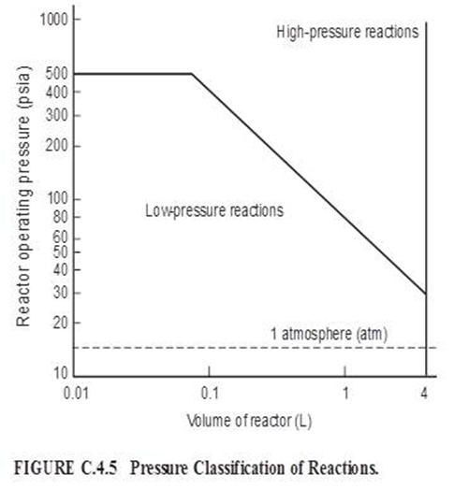
Pressure or Pressure Reactions (Gas only) | 5 - Low - See Chart in Definitions 5 - Sub atmospheric (Vacuum) 9 - High pressure - See Chart in Definitions | Hood, Blast Shield, Engineered Guarding Around Pressure Vessel; Rated Vessel, Pressure Relief Device, etc. | Written SOPS Training Equipment certifications & inspections | Eye Protection (Specify type) Gloves (Specify type) Lab Coat (Flame Retardant or standard) Other (Respirator, etc.)
Explosive | 5 - DOT hazard 1.6 7 - DOT hazard 1.4, 1.5 9 - DOT hazard 1.1, 1.2, 1.3 | Engineered Bwlast Shield or Containment for orst Case Explosive Potential | Written SOPs Training | Eye Protection (Specify type) Gloves (Specify type) Lab Coat (Flame Retardant or standard) Other (Respirator, etc.)
Equipment | 3 - Rotating Equipment - Guarded 5 - Microtomes, Lathes 9 - Rotating equipment with nip point*, Unguarded *Nip Point - A point of convergence between two rolling parts, or a rolling part and a stationary part, where all or part of the human body could become trapped and injured. | Guarding by physical barrier or distance (>7 feet) | Written SOPs Training | Eye Protection (Specify type) Gloves (Specify type) Lab Coat Other
Live Electrical | 3 - Live electrical work <50 volts 9 - Live electrical work >50 volts | Guarding by: Distance, Shielding, or Physical Barrier Guarding | Written SOPS Training on Qualified Electrical Work & SOPs | Eye Protection (Specify type) Electrical Rated Gloves (Specify type) Electrically Rated Other PPE (Face Shield, etc.)
Temp of Working Environment | 5 - Personnel Exposed to Ambient Working Temperatures below 45 F or greater than 90 F | Heater for cold environments AC for hot environments | Written SOPs Training Controls on Time in Spent in the Environment | Eye Protection (Specify type) Gloves (Specify type) Lab Coat Other - cool vests, thermal clothing, etc.
Thermal Contact | 5 - Heated equipment (drying oven, hot plate, etc.) 7 - Open Flame 7 - Cryogenic or Boiling | Hood, glove box, cryogenic rated vessels; splash shield. | Written SOPs Training | Eye Protection (Specify type) Gloves (Specify type - insulated) Lab Coat (FRC or std) Other

Controls Matrix
Ranking | RPN | Controls
Low | <4 | No Additional Controls Required
Medium | 4 - 5.5 | PI Approval; PPE Assessment; Standard Operating Procedure (SOP); Training
High | >5.5 | All of Controls Listed for Medium Ranking; Job Safety Analysis; Safety Coordinator or Oversight Committee Approval NDFD review for flammable gas use in closed systems

